Diagrams
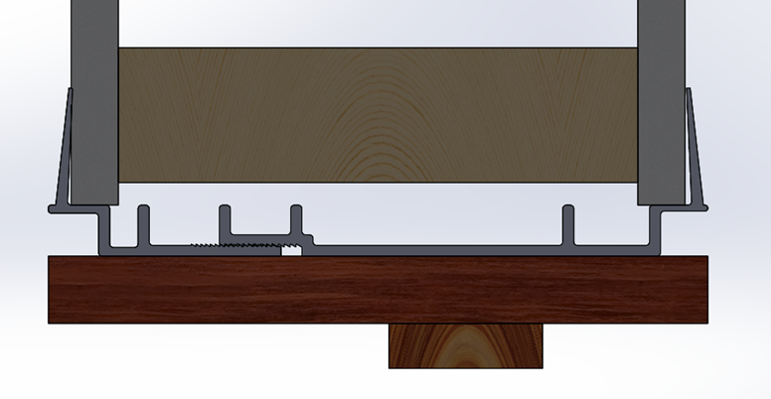

 | Zip-Click Reveal (1/2")

 | Jamb Thickness

 | Door Stop

